Dashboard
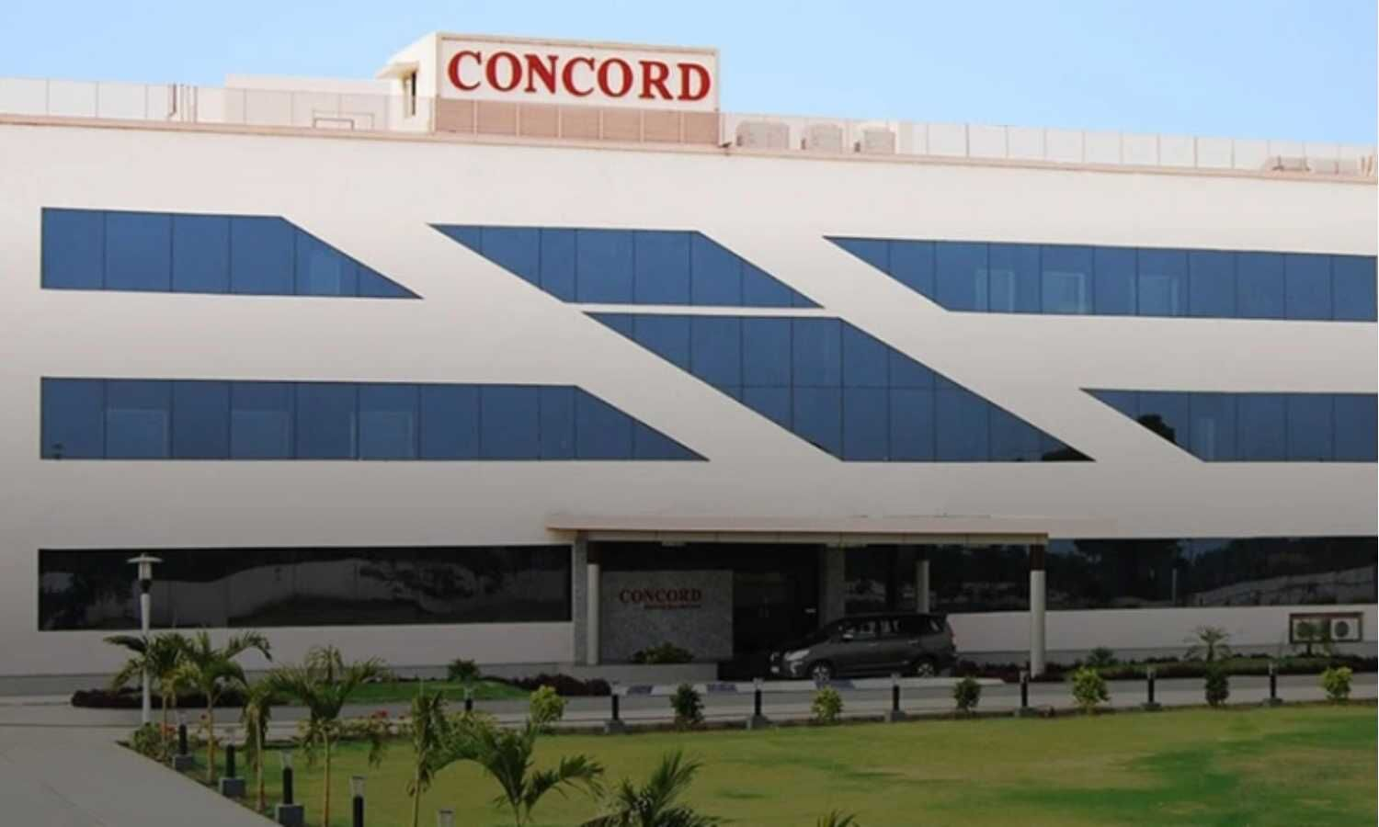

Index |  | Valuation Method | Share Price | Weightage
S.No. | Sheet | DCF Valuation | 4798.86 | 50%
1 | Drivers | Relative Valutation (Enterprise Multiple) | 970.34 | 25%
2 | Balancesheet | Relative Valutation (Equity Multiple) | 1044.23 | 25%
3 | Cash Flow
4 | Assumptions and Analysis | Final Valuation (Target Price) | 2903.07
5 | Profit&Loss Forecast | Current Market Price (CMP) | 1733.33
6 | Working Capital&Capex | Upside/(Downside) | 67.49%
7 | Beta | Recommendation | BUY
8 | WACC
9 | DCF
10 | Relative Valuation
11 | DDM

Drivers
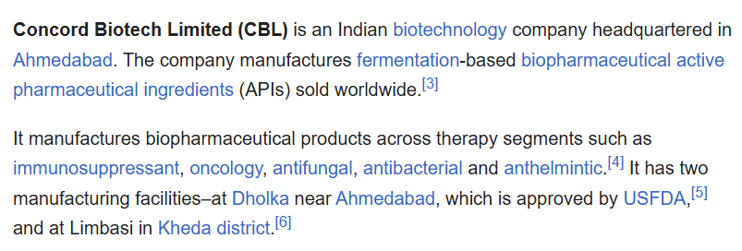
Company | Concord Biotech Ltd
Currency | INR
Domestic Country | India
Corporate Tax rate | 25%

S.No. | Reasons to choose
1 | Pharma Industry currently navigating a period of significant change, driven by a convergence of global geopolitical shifts and rapid technological advancements.
2 | Niche Market Leadership(Ferementation based Products)
3 | Net Debt Free Company and Historical Good Return
4 | Growth-Oriented Investments
5 | Nuanced Financial Story

